Hang Lung Sep Report
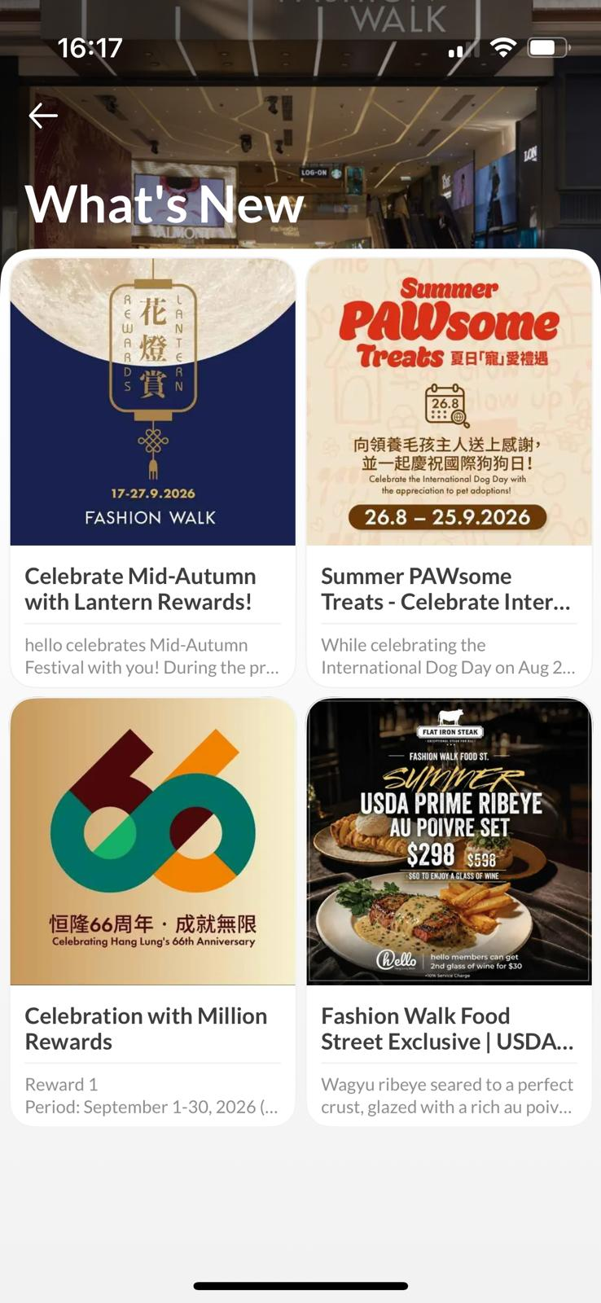


Advertiser : | Hang Lung
Campaign : | Hang lung LMS Campaign- monthly report
Platform : | OpenRice app

Sep 1-30 Report
LMS | LMS Monthly PV | No. of Search Landmark | LMS Monthly UU | LMS Restaurants Total Impressions | LMS Restaurants Total clicks by LMS |  | Restaurants/ Retails | Restaurants Total Bookmark (New) | No. of Restaurants have Booking services | No. of Booking | No. of Restaurants have Voucher services | No. of Restaurants has Takeaway services | Retail Shops Video Views (cumulative)
Amoy Plaza | 53567 | 16608 | 14320 | 120744 | 8174 |  | Amoy Plaza | 914 | 5 | 622 | 18 | 20 | 1,562
Fashion Walk | 41152 | 23983 | 22684 | 116079 | 12046 |  | Fashion Walk | 2,377 | 12 | 4,083 | 4 | 5 | 2,317

Amoy Plaza | Top 5 Search Restaurant | Top Booking Restaurant | Top 5 Tenant Viewed
 | 千海水產海鮮火鍋放題 | SuperNormal | Mini Queen 瑩
 | SuperNormal | 牛気 | 松植屋
 | 九份飽 | 阿城鵝肉 | 24/7 FITNESS
 | 泰Cool |  | 歡迎自提淘大店
 | 火火雞肉 |  | 香港置業

Fashion Walk | Top 5 Search Restaurant | Top Booking Restaurant | Top 5 Tenant Viewed
 | Casa Cucina | Calle Ocho | CANVAS
 | Calle Ocho | Casa Cucina | Base8 hair & nail
 | Mercury Recalls by Lost Stars | 교자상 | 四洲食品體驗館
 | 교자상 | Flat Iron Steak | per FACE AESTHEYTIC
 | Flat Iron Steak | 鮨政 | HOKA

Official Account | Banner View IMP | Banner Clicks | What's New (消息) Banner | Banner Clicks | FeatureItemId | ClickId | CampaignId
恒隆 66週年 | 7,377,910 | 4,523 | Fashion Walk - 花燈賞 | 4 | 43016 | 7418544476 | 214
Fashion Walk- Flat Iron Steak | 4,959,925 | 3,902 | Hang Lung- PAWsome | 7 | 42986 | 7371461683 | 211
Amoy Plaza- 睇show玩樂證 | 6,090,968 | 3,973 | Fashion Walk - PAWsome | 15 | 41971 | 7289878736 | 209
Fashion Walk - PAWsome | 6,918,405 | 4,238 | Fashion Walk - Flat Iron Steak | 11 | 43017 | 7418574409 | 201
Fashion Walk - 花燈賞 | 3,329,028 | 2,272 | Amoy Plaza- 恒隆66週年 | 5 | 43081 | 7433721277 | 208
 |  |  | Amoy Plzaz- 睇show玩樂證 | 7 |  |  | 182

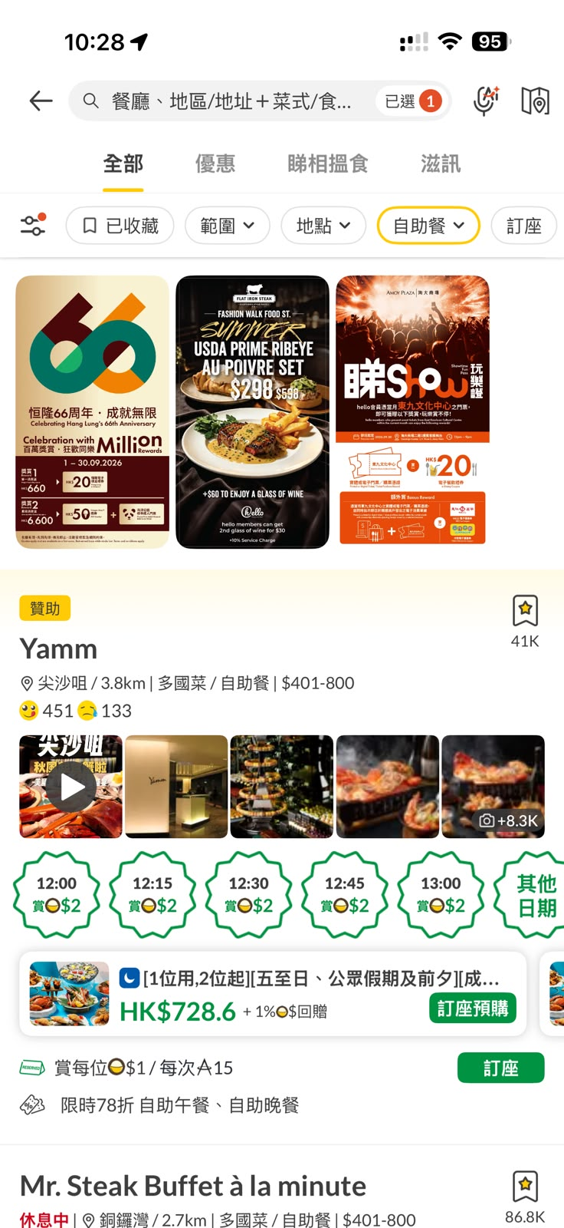
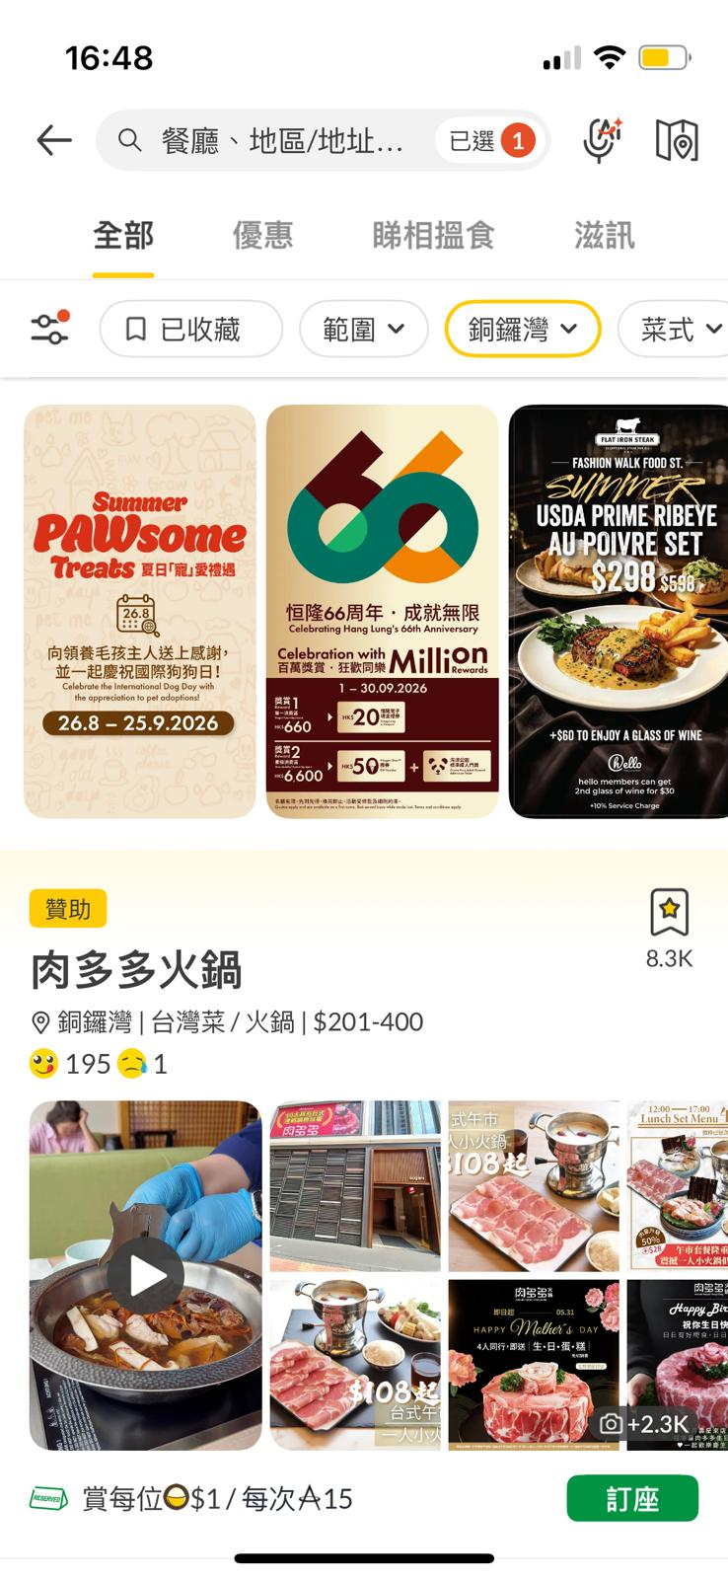
Official Account |  |  | Official Account
 |  |  |  |  | Fashion Walk (What's New) |  |  |  | Amoy Plaza (What's New)

